Projection
Metric | Year 1 - Units Sold | Year 1 - Total Revenue ($) | Year 1 - Profit ($) | Year 1 - ROI (%) | Critical Factors for the Monte Carlo Forecast
Count | 10,000 | 10,000 | 10,000 | 10,000
Mean | 16.5 | 2,566,419 | 718,516 | 38.94 | Revenue Drivers
Std Dev | 0.48 | 79,912 | 82,826 | 4.89
Min | 15.68 | 2,388,309 | 483,891 | 25.24 | 1. Sales Volume (Units Sold):
25% | 16.08 | 2,500,406 | 657,965 | 35.42 | Base projections for unit sales growth, considering:
50% | 16.5 | 2,566,971 | 718,914 | 38.9 | Historical growth trends.
75% | 16.91 | 2,631,106 | 778,749 | 42.4 | Market demand (TAM, SAM, SOM).
Max | 17.32 | 2,750,821 | 944,976 | 52.82 | Seasonal patterns.
Metric | Year 3 - Units Sold | Year 3 - Total Revenue ($) | Year 3 - Profit ($) | Year 3 - ROI (%)
Count | 10,000 | 10,000 | 10,000 | 10,000 | 2. Product Pricing:
Mean | 19.97 | 3,243,384 | 1,255,750 | 63.25 | Annual adjustments for inflation or added value.
Std Dev | 0.58 | 100,558 | 101,588 | 5.71 | Differentiated pricing for standard vs. premium/customizable products.
Min | 18.97 | 3,018,493 | 968,089 | 47.03
25% | 19.47 | 3,160,963 | 1,179,217 | 59.12 | 3. Recurring Revenue:
50% | 19.97 | 3,244,909 | 1,255,679 | 63.12 | Subscription and add-on services, with:
75% | 20.48 | 3,324,805 | 1,330,304 | 67.26 | Retention rates for existing customers.
Max | 20.96 | 3,471,502 | 1,559,446 | 81.56 | Adoption rates for new customers.
Metric | Year 5 - Units Sold | Year 5 - Total Revenue ($) | Year 5 - Profit ($) | Year 5 - ROI (%)
Count | 10,000 | 10,000 | 10,000 | 10,000 | 4. Additional Revenue Streams:
Mean | 24.17 | 4,100,763 | 1,958,447 | 91.49 | Customizable packages or event-based offerings.
Std Dev | 0.69 | 126,050 | 122,708 | 6.43 | Partnerships or licensing agreements (if applicable).
Min | 22.95 | 3,813,704 | 1,620,844 | 73.52
25% | 23.58 | 4,000,061 | 1,868,079 | 86.9 | Cost Factors
50% | 24.17 | 4,099,867 | 1,958,248 | 91.42
75% | 24.78 | 4,201,374 | 2,051,056 | 95.98 | 1. Fixed Costs:
Max | 25.37 | 4,386,995 | 2,297,122 | 110.29 | Salaries for employees, including:
Metric | Year 7 - Units Sold | Year 7 - Total Revenue ($) | Year 7 - Profit ($) | Year 7 - ROI (%) | Planned hires for scaling (e.g., engineers, sales, or marketing staff).
Count | 10,000 | 10,000 | 10,000 | 10,000 | Facility costs, accounting for:
Mean | 29.22 | 5,182,888 | 2,871,330 | 124.3 | Rent, utilities, and maintenance.
Std Dev | 0.84 | 160,607 | 155,115 | 7.56 | Expansion or relocation (if planned).
Min | 27.77 | 4,828,704 | 2,457,190 | 102.64
25% | 28.5 | 5,051,512 | 2,754,358 | 118.88 | 2. Variable Costs:
50% | 29.21 | 5,182,028 | 2,871,079 | 124.11 | Material costs with growth rates or potential price volatility.
75% | 29.94 | 5,307,930 | 2,987,046 | 129.59 | Production costs, including direct labor and utilities tied to output.
Max | 30.69 | 5,551,486 | 3,288,250 | 146.34 | Logistics/shipping costs with fuel price adjustments.

Metric | Year 1 | Year 3 | Year 5 | Year 7 | 3. Non-Repeatable Costs:
Units Sold | 17 | 20 | 24 | 29 | Year 1 setup costs (machinery, technology, etc.).
Total Revenue ($) | 2,566,419 | 3,243,384 | 4,100,763 | 5,182,888 | Consider no additional non-recurring costs in Year 3, 5, or 7 unless explicitly planned.
Total Costs ($) | 1,845,255 | 2,018,414 | 2,426,488 | 2,886,529
Profit ($) | 718,516 | 1,255,750 | 1,958,447 | 2,871,330 | Market & External Factors
ROI (%) | 38.94 | 63 | 91 | 124.3
 |  |  |  |  | 1. Market Growth:
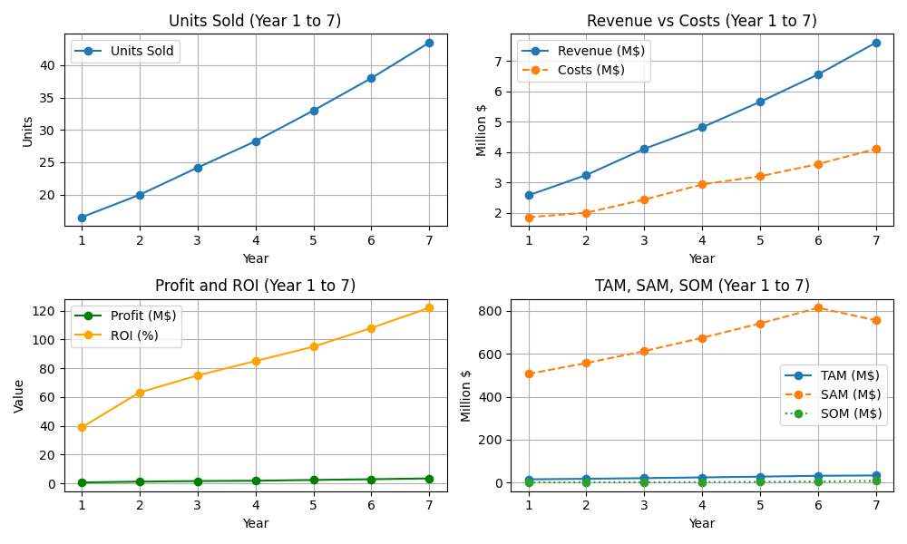
 |  |  |  |  | TAM, SAM, and SOM projections for hydroponic farming.
 |  |  |  |  | Regional adoption rates to refine sales projections.

 |  |  |  |  | 2. Economic Variables:
 |  |  |  |  | Inflation and interest rates affecting pricing and costs.
 |  |  |  |  | Potential recession risks or economic booms.

 |  |  |  |  | 3. Competitive Landscape:
 |  |  |  |  | Adjustments based on competitor pricing or market share erosion.

 |  |  |  |  | 4. Regulatory Changes:
 |  |  |  |  | Environmental standards or subsidies that could influence costs or revenues.

 |  |  |  |  | Financial Factors

 |  |  |  |  | 1. ROI Expectations:
 |  |  |  |  | Set clear ROI targets for each forecast year to measure success.
 |  |  |  |  | Ensure profitability despite scaling efforts (e.g., new hires, facility expansions).

 |  |  |  |  | 2. Cash Flow Considerations:
 |  |  |  |  | Adequate liquidity to handle scaling or unexpected costs.

 |  |  |  |  | 3. Contingency Buffers:
 |  |  |  |  | Budget for unexpected events (e.g., supply chain disruptions).

